Data
Study Case: Slamet Bratanata Building, Indonesia
Type | Retrofitting Strategy | Investment Cost ($) | Energy Saving (MWh/year) | Cost reduced per BTU
Cooling | Replacing old Chiller with Mini Chiller (VRF technology) | $68,395.00 | 175 | $0.00011454530
Lighting | Replacing lighting system with LED (762 lamps) | $11,942.00 | 85 | $0.00004117647
Envelope | Window Film Installation | $20,518.00 | 50 | $0.00012026964
Total |  | $100,855.00 | 310 | $0.00027599141
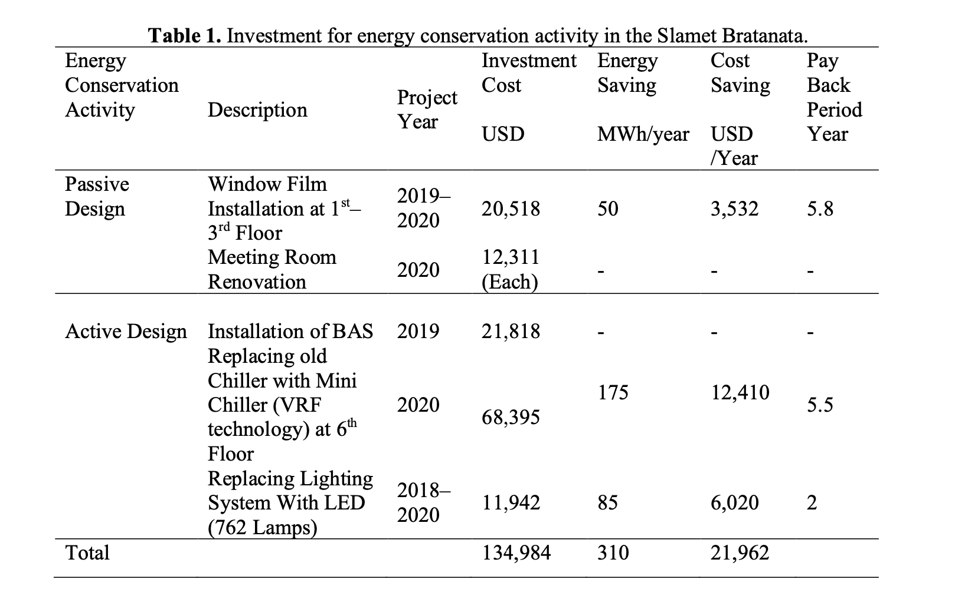
 | Energy reduction after retrofitting
 | Energy Consumption before retrofitting in 2018 (MWh) | 2200
 | Energy Consumption after cooling retrofitting (MWh) | 2025
 | Energy Consumption after lighting retrofitting (MWh) | 2115
 | Energy Consumption after envelope retrofitting (MWh) | 2150
 | Reduction after cooling retrofitting (%) | 7.95%
 | Reduction after lighting retrofitting (%) | 3.86%
 | Reduction after envelope retrofitting (%) | 2.27%

 | Conversion Factor
 | mWh to BTU | 3.41E+06

